Currency
CLICK BELOW

Screenshots
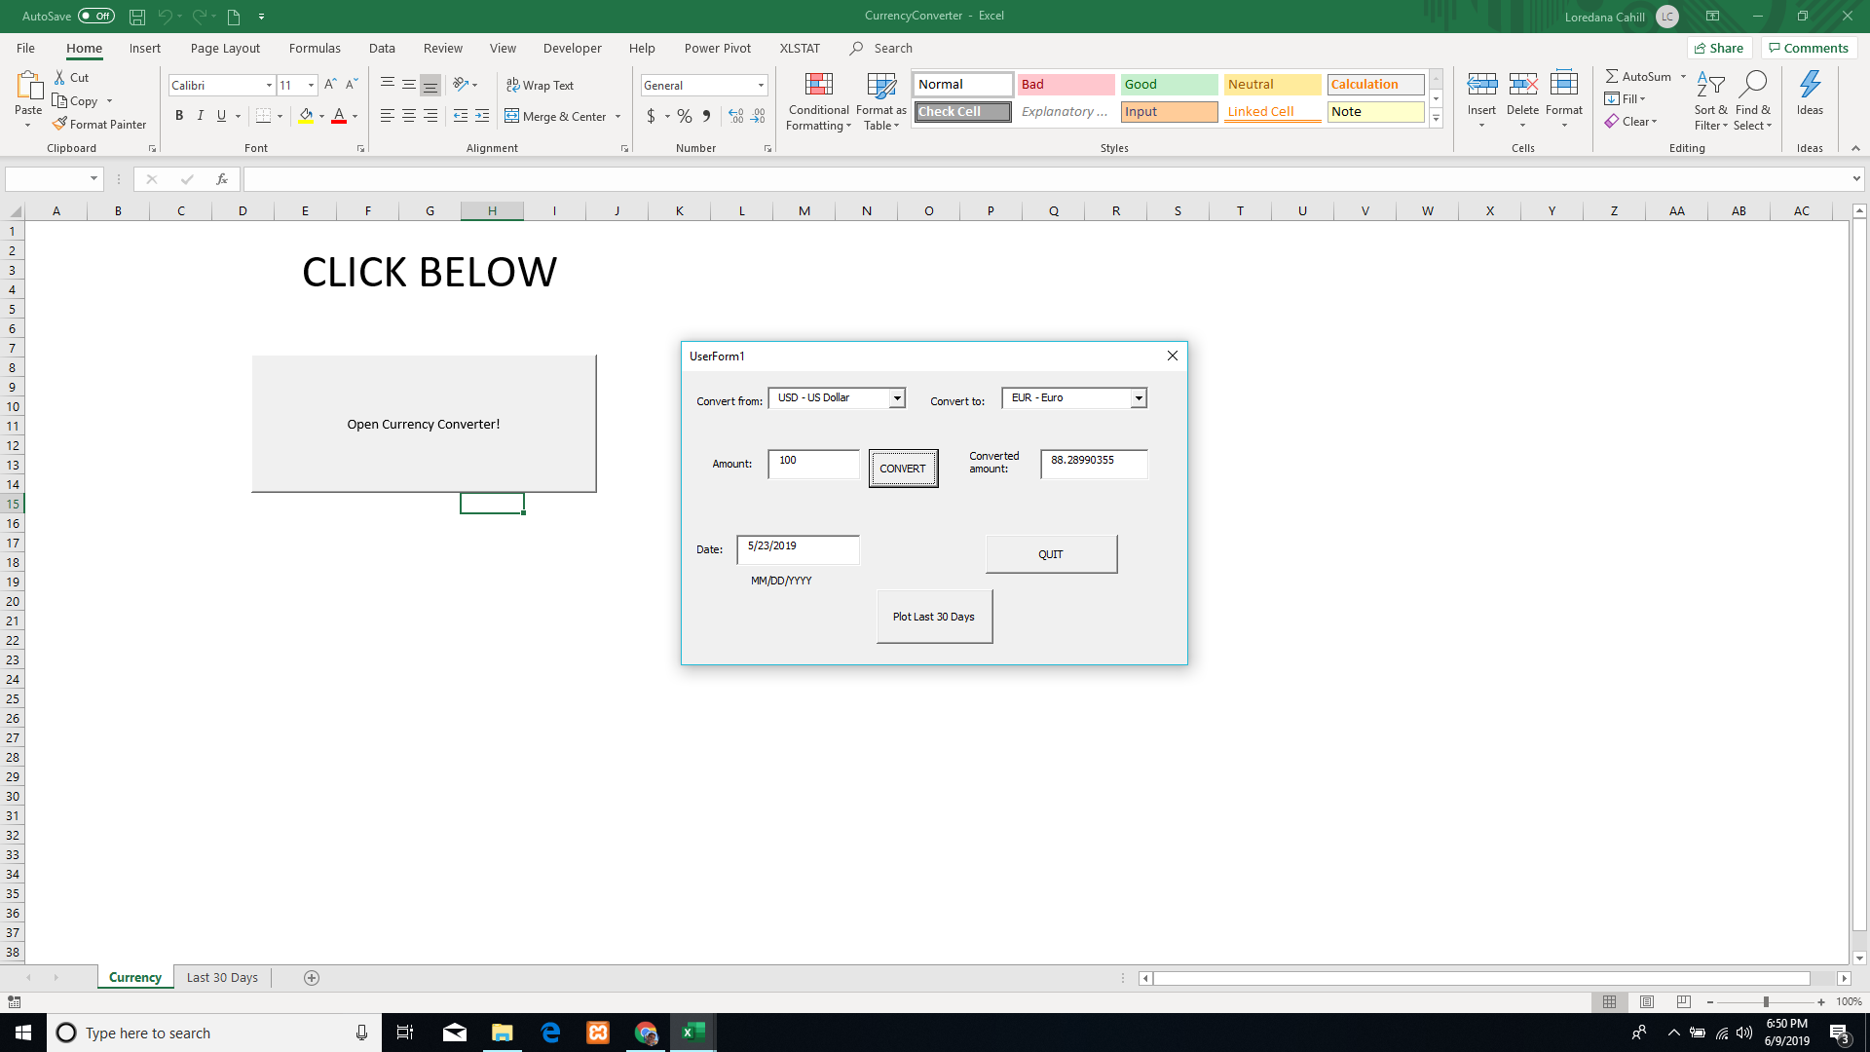

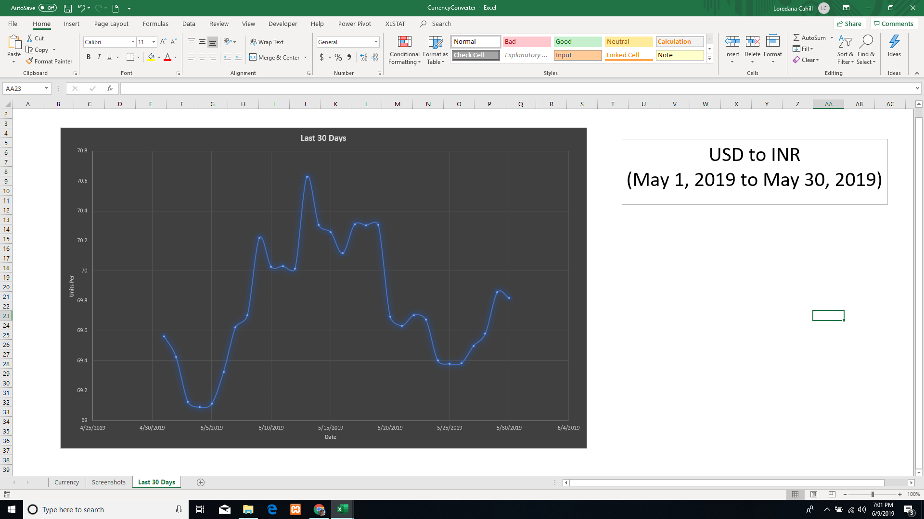

Last 30 Days
Last 30 Days
5/1/2019 | 69.564190837
5/2/2019 | 69.425542199
5/3/2019 | 69.126871264
5/4/2019 | 69.090034628
5/5/2019 | 69.112440482
5/6/2019 | 69.326005065
5/7/2019 | 69.622466209
5/8/2019 | 69.703847858
5/9/2019 | 70.219194624
5/10/2019 | 70.028723462
5/11/2019 | 70.032850393
5/12/2019 | 70.014407996
5/13/2019 | 70.627870943
5/14/2019 | 70.307860992
5/15/2019 | 70.260023144
5/16/2019 | 70.117792206
5/17/2019 | 70.309174793
5/18/2019 | 70.305434531
5/19/2019 | 70.308671427
5/20/2019 | 69.694481913
5/21/2019 | 69.634466999
5/22/2019 | 69.705227104
5/23/2019 | 69.674165724
5/24/2019 | 69.401378273
5/25/2019 | 69.379014766
5/26/2019 | 69.384667054
5/27/2019 | 69.498554509
5/28/2019 | 69.582008293
5/29/2019 | 69.856572569
5/30/2019 | 69.81899066

USD to INR
(May 1, 2019 to May 30, 2019)

